Feasibility
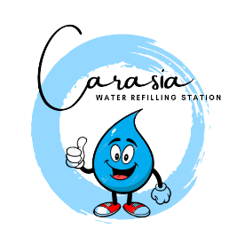
Establishing a Water Refilling Station
Income Statement |  | Year 1
Revenue |  | 2,094,266.00
Cost of Goods Sold | 20% | 418,853.00
Gross Margin |  | 1,675,413.00

Selling Expenses | 10% | 209,427.00
Margin Net of Variable Expenses |  | 1,465,986.00

General & Admin Expenses | Fixed | 981,154.00

Operating Margin |  | 484,832.00

Other Income and Expense | Fixed | 484,832.00

Net Profit |  | 0.00

